Introduction
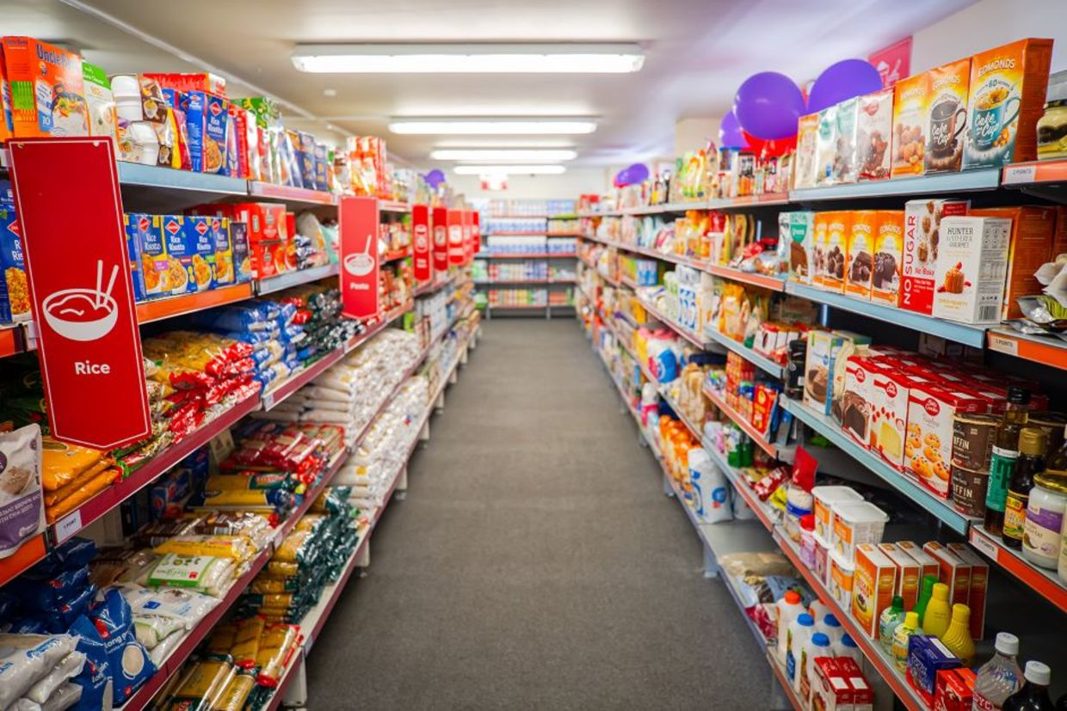
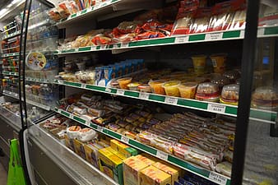
Supermarket Sales Data Analysis using Excel
 | (Research Project by - Abhishek Gulati)

Dashboard
Branch | Sales
 | Total
A | 106200.3705
B | 106197.672
C | 110568.7065
Member,Non Member | Rating| Branch
 | Total
Member | 6.9988023952
Normal | 7.0543352601
Member | 6.7703030303
Normal | 6.8652694611
Member | 7.0485207101
Normal | 7.0987421384
Gender | Product Preference
 | Total
Electronic accessories | 170
Fashion accessories | 178
Food and beverages | 174
Health and beauty | 152
Home and lifestyle | 160
Sports and travel | 166
Avg Day | Sales
 | Total
1 | 350.860125
2 | 316.1689125
3 | 344.42304167
4 | 274.40084483
5 | 312.16320732
6 | 291.27954545
7 | 302.65034211
8 | 329.36041463
9 | 372.08878378
10 | 308.28754687
11 | 356.23583333
12 | 382.62270968
13 | 194.608875
14 | 349.62415385
15 | 357.21501136
16 | 368.41933333
17 | 347.28715
18 | 242.14506522
19 | 363.0057439
20 | 337.7163
21 | 283.167675
22 | 261.651
23 | 345.24495833
24 | 351.575
25 | 280.48975
26 | 226.36384615
27 | 352.58336842
28 | 310.87105
29 | 376.990425
30 | 352.266075
31 | 373.74975

Mode of Payment | Branch
 | Cash | Credit card | Ewallet
A | 110 | 104 | 126
B | 110 | 109 | 113
C | 124 | 98 | 106

Hourly | Sales
 | Total
20 | 23809.233
16 | 24498.1485
17 | 24561.2955
14 | 25313.1375
12 | 27060.726
11 | 28695.7965
10 | 29561.6685
18 | 30139.6935
13 | 33597.879
19 | 37322.712
15 | 38406.459
Product | Margins
 | Total
Electronic accessories | 5
Fashion accessories | 5
Food and beverages | 5
Health and beauty | 5
Home and lifestyle | 5
Sports and travel | 5
Product | Sales
 | Total
Food and beverages | 56144.844
Sports and travel | 55122.8265
Electronic accessories | 54337.5315
Fashion accessories | 54305.895
Home and lifestyle | 53861.913
Health and beauty | 49193.739

Q1
 |  |  |  | Branchwise sales

Branch | Sales
Row Labels | Sum of Total
A | 106200.3705
B | 106197.672
C | 110568.7065
Grand Total | 322966.749

 |  | Inference | Sales of Branch A and B is less compare to Branch C

Q2
 |  |  |  | Customer Type Rating

Member,Non Member | Rating
Row Labels | Average of Rating
A | 7.0270588235
Member | 6.9988023952
Normal | 7.0543352601
B | 6.8180722892
Member | 6.7703030303
Normal | 6.8652694611
C | 7.0728658537
Member | 7.0485207101
Normal | 7.0987421384
Grand Total | 6.9727

 |  | Inference | In all the store Non Members are more satisfied compare to Members
 |  |  | Comparatively Branch B has the least rating for both the customer type
 |  |  | Overall rating is average

Q3
Q3
 |  |  |  | Productwise sales
Product | Sales

 | Product Category | Total Sales
 | Food and beverages | 56144.844
 | Sports and travel | 55122.8265
 | Electronic accessories | 54337.5315
 | Fashion accessories | 54305.895
 | Home and lifestyle | 53861.913
 | Health and beauty | 49193.739
 | Grand Total | 322966.749

 |  | Inference | Highest Sales - Food and Beverages
 |  |  | Lowest Sales - Health and Beauty

Q4
Q4
 |  |  |  |  |  |  | Average Hourly Sales

Hourly | Sales
 | Horly sales analysis of the Rev |  |  | Row Labels | Sum of Total
 |  |  |  | 20 | 23809.233
 |  |  |  | 16 | 24498.1485
 |  | Row Labels | Sum of Total | 17 | 24561.2955
 |  | 20 | 22969.527 | 14 | 25313.1375
 |  | 17 | 24445.218 | 12 | 27060.726
 |  | 16 | 25226.3235 | 11 | 28695.7965
 |  | 18 | 26030.34 | 10 | 29561.6685
 |  | 12 | 26065.8825 | 18 | 30139.6935
 |  | 11 | 30377.3295 | 13 | 33597.879
 |  | 14 | 30828.399 | 19 | 37322.712
 |  | 15 | 31179.5085 | 15 | 38406.459
 |  | 10 | 31421.481 | Grand Total | 322966.749
 |  | 13 | 34723.227
 |  | 19 | 39699.513
 |  | Grand Total | 322966.749
 |  |  |  |  | Inference | In the last hour (20-21), the sales is lowest
 |  |  |  |  |  | In the afternoon the sales is average

Q5
 |  |  |  |  |  | Mode of Payment Aanlysis of Each Store

Mode of Payment | Branch
Count of Invoice ID | Column Labels
Row Labels | Cash | Credit card | Ewallet | Grand Total
A | 110 | 104 | 126 | 340
B | 110 | 109 | 113 | 332
C | 124 | 98 | 106 | 328
Grand Total | 344 | 311 | 345 | 1000

 |  |  |  | Inference | Branch C has the max transaction in cash (Promote Digital Payments )

Q8
 |  | Average Day sales

Avg Day | Sales
Row Labels | Average of Total |  | Inference
1 | 350.860125
2 | 316.1689125 |  | Sales is not much volatile except few days
3 | 344.42304167
4 | 274.40084483
5 | 312.16320732
6 | 291.27954545
7 | 302.65034211
8 | 329.36041463
9 | 372.08878378
10 | 308.28754687
11 | 356.23583333
12 | 382.62270968
13 | 194.608875
14 | 349.62415385
15 | 357.21501136
16 | 368.41933333
17 | 347.28715
18 | 242.14506522
19 | 363.0057439
20 | 337.7163
21 | 283.167675
22 | 261.651
23 | 345.24495833
24 | 351.575
25 | 280.48975
26 | 226.36384615
27 | 352.58336842
28 | 310.87105
29 | 376.990425
30 | 352.266075
31 | 373.74975
Grand Total | 322.966749

Q9
 |  |  | Genderwise product preferences
Gender | Product Preference
Row Labels | Count of Product line
Electronic accessories | 170
Fashion accessories | 178
Food and beverages | 174
Health and beauty | 152
Home and lifestyle | 160
Sports and travel | 166
Grand Total | 1000

 | Inference | Male Prefer Health and Beauty Products
 |  | Female Prefer Fashion Accessories Products
 |  | Overall lowest sales in Health and Beauty Products

Q10
 | Average Margin in all the Products |  | Genderwise | Sales
Product | Margins
Gender | Sales

 |  |  |  |  |  |  | 0
 |  |  |  |  |  | 5
Inference |  | All the Products have the same margins 5% |  | Row Labels | Sum of Total
 |  |  |  | Female | 167882.925
 |  |  |  | Male | 155083.824
Row Labels | Average of Margins2 |  |  | Grand Total | 322966.749
Electronic accessories | 5
Fashion accessories | 5
Food and beverages | 5
Health and beauty | 5
Home and lifestyle | 5
Sports and travel | 5
Grand Total | 5

